single column
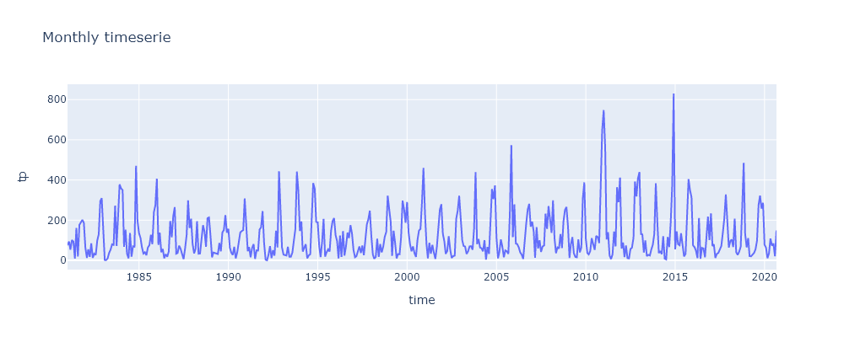
Lat.= | 7.8
Lon.= | 81.6
Param.= | tp
time | tp
1981-01-01 | 75.3
1981-02-01 | 93.9
1981-03-01 | 53.3
1981-04-01 | 101.2
1981-05-01 | 93.8
1981-06-01 | 9
1981-07-01 | 161
1981-08-01 | 18.8
1981-09-01 | 177
1981-10-01 | 190.2
1981-11-01 | 201.5
1981-12-01 | 186.7
1982-01-01 | 63.2
1982-02-01 | 12.8
1982-03-01 | 54.9
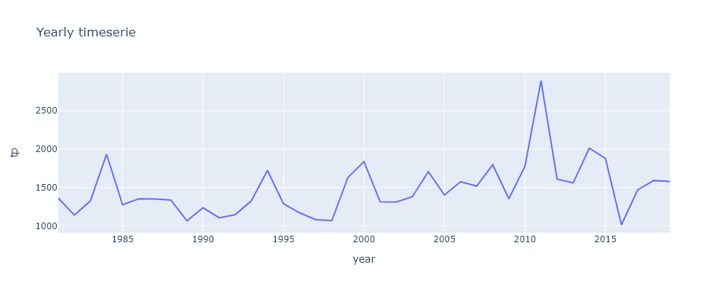
1982-04-01 | 17.3
1982-05-01 | 84.7
1982-06-01 | 12.7
1982-07-01 | 33.4
1982-08-01 | 27
1982-09-01 | 99.2
1982-10-01 | 130
1982-11-01 | 295.1
1982-12-01 | 309.7
1983-01-01 | 120.5
1983-02-01 | 1.7
1983-03-01 | 1
1983-04-01 | 10
1983-05-01 | 36.9
1983-06-01 | 53.9
1983-07-01 | 80
1983-08-01 | 76.9
1983-09-01 | 272.4
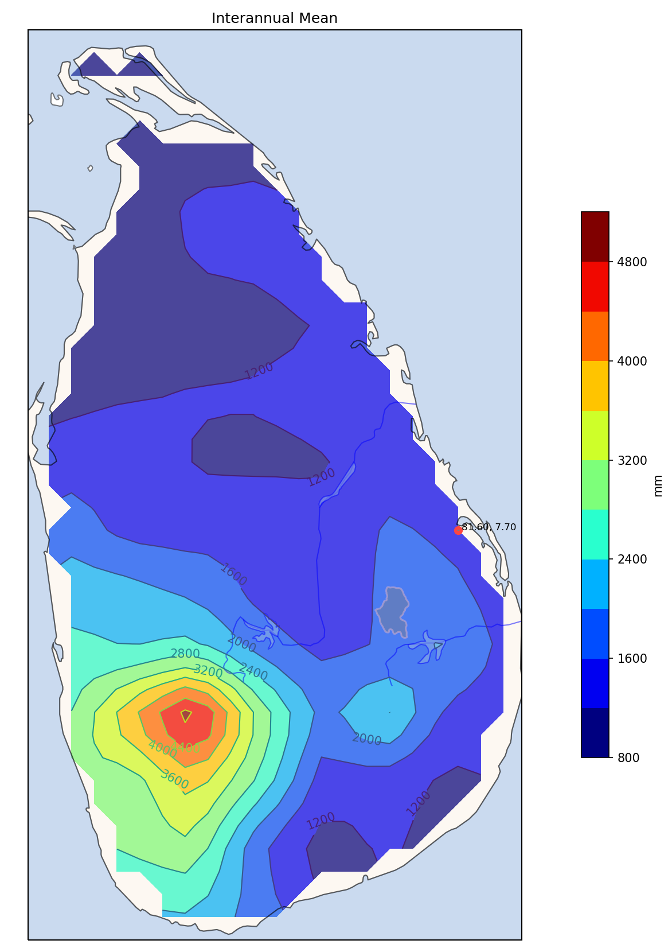
1983-10-01 | 72
1983-11-01 | 222.2
1983-12-01 | 378.3
1984-01-01 | 358.1
1984-02-01 | 349.6
1984-03-01 | 67.9
1984-04-01 | 152.7
1984-05-01 | 32.6
1984-06-01 | 10.2
1984-07-01 | 136.4
1984-08-01 | 18.6
1984-09-01 | 70.3
1984-10-01 | 68.2
1984-11-01 | 470.4
1984-12-01 | 198.4
1985-01-01 | 135.5
1985-02-01 | 111
1985-03-01 | 66.3
1985-04-01 | 34
1985-05-01 | 40.4
1985-06-01 | 25.6
1985-07-01 | 64
1985-08-01 | 75.3
1985-09-01 | 127.8
1985-10-01 | 80.7
1985-11-01 | 239.9
1985-12-01 | 273.7
1986-01-01 | 406.2
1986-02-01 | 77.4
1986-03-01 | 138.3
1986-04-01 | 40.7
1986-05-01 | 56.6
1986-06-01 | 10.3
1986-07-01 | 31
1986-08-01 | 17.9
1986-09-01 | 44
1986-10-01 | 195.7
1986-11-01 | 114.8
1986-12-01 | 219
1987-01-01 | 264.8
1987-02-01 | 33.4
1987-03-01 | 36.7
1987-04-01 | 73.3
1987-05-01 | 57.3
1987-06-01 | 24.9
1987-07-01 | 6.2
1987-08-01 | 60.1
1987-09-01 | 126
1987-10-01 | 298.3
1987-11-01 | 161.1
1987-12-01 | 207.4
1988-01-01 | 82.1
1988-02-01 | 34.9
1988-03-01 | 56.5
1988-04-01 | 194.7
1988-05-01 | 33.1
1988-06-01 | 34.1
1988-07-01 | 91.9
1988-08-01 | 175.1
1988-09-01 | 142.9
1988-10-01 | 67.8
1988-11-01 | 210
1988-12-01 | 213.7
1989-01-01 | 122.5
1989-02-01 | 15
1989-03-01 | 39
1989-04-01 | 37.3
1989-05-01 | 34.2
1989-06-01 | 31.6
1989-07-01 | 86.7
1989-08-01 | 45.2
1989-09-01 | 139.3
1989-10-01 | 150.9
1989-11-01 | 225.1
1989-12-01 | 137.7
1990-01-01 | 157
1990-02-01 | 63
1990-03-01 | 38.8
1990-04-01 | 27
1990-05-01 | 67.7
1990-06-01 | 9.9
1990-07-01 | 39.6
1990-08-01 | 89.4
1990-09-01 | 138.8
1990-10-01 | 145.7
1990-11-01 | 150.6
1990-12-01 | 308
1991-01-01 | 164.4
1991-02-01 | 45.5
1991-03-01 | 66
1991-04-01 | 15.8
1991-05-01 | 61.8
1991-06-01 | 80.9
1991-07-01 | 7.5
1991-08-01 | 50
1991-09-01 | 48.8
1991-10-01 | 153.6
1991-11-01 | 164.6
1991-12-01 | 245.3
1992-01-01 | 87.3
1992-02-01 | 3.1
1992-03-01 | 0.2
1992-04-01 | 28.2
1992-05-01 | 71
1992-06-01 | 11.5
1992-07-01 | 50.9
1992-08-01 | 23.5
1992-09-01 | 147.9
1992-10-01 | 64.4
1992-11-01 | 443.7
1992-12-01 | 214.8
1993-01-01 | 64.2
1993-02-01 | 28.5
1993-03-01 | 24.9
1993-04-01 | 24.2
1993-05-01 | 67.4
1993-06-01 | 17.7
1993-07-01 | 17.8
1993-08-01 | 38.7
1993-09-01 | 98.9
1993-10-01 | 155.5
1993-11-01 | 441.8
1993-12-01 | 346.6
1994-01-01 | 146.4
1994-02-01 | 193.8
1994-03-01 | 43.7
1994-04-01 | 65.6
1994-05-01 | 80.6
1994-06-01 | 10.5
1994-07-01 | 24.6
1994-08-01 | 30.1
1994-09-01 | 195.6
1994-10-01 | 384.6
1994-11-01 | 355.9
1994-12-01 | 191.3
1995-01-01 | 189.2
1995-02-01 | 69.6
1995-03-01 | 16.8
1995-04-01 | 92.9
1995-05-01 | 206.5
1995-06-01 | 18.6
1995-07-01 | 39.9
1995-08-01 | 54.9
1995-09-01 | 44
1995-10-01 | 147.9
1995-11-01 | 195.7
1995-12-01 | 210.4
1996-01-01 | 126.2
1996-02-01 | 95.2
1996-03-01 | 9.9
1996-04-01 | 123.3
1996-05-01 | 17.1
1996-06-01 | 145.4
1996-07-01 | 23.9
1996-08-01 | 70.3
1996-09-01 | 138.3
1996-10-01 | 110.7
1996-11-01 | 175.2
1996-12-01 | 134.3
1997-01-01 | 52
1997-02-01 | 15.6
1997-03-01 | 20.3
1997-04-01 | 50.2
1997-05-01 | 69
1997-06-01 | 36.9
1997-07-01 | 74.1
1997-08-01 | 25.8
1997-09-01 | 105.3
1997-10-01 | 178.9
1997-11-01 | 205.1
1997-12-01 | 247.5
1998-01-01 | 119.8
1998-02-01 | 28.8
1998-03-01 | 8.3
1998-04-01 | 17
1998-05-01 | 107.8
1998-06-01 | 17.4
1998-07-01 | 81
1998-08-01 | 39.5
1998-09-01 | 68.5
1998-10-01 | 116.6
1998-11-01 | 141.1
1998-12-01 | 322
1999-01-01 | 254.6
1999-02-01 | 190.6
1999-03-01 | 22.4
1999-04-01 | 147.3
1999-05-01 | 88.7
1999-06-01 | 10.1
1999-07-01 | 31.1
1999-08-01 | 30.3
1999-09-01 | 116.3
1999-10-01 | 297.4
1999-11-01 | 253.8
1999-12-01 | 187.4
2000-01-01 | 290.7
2000-02-01 | 139.7
2000-03-01 | 80.5
2000-04-01 | 45.6
2000-05-01 | 69.7
2000-06-01 | 35.5
2000-07-01 | 17.2
2000-08-01 | 102.4
2000-09-01 | 148.9
2000-10-01 | 156.7
2000-11-01 | 289.5
2000-12-01 | 460.6
2001-01-01 | 233.2
2001-02-01 | 81.1
2001-03-01 | 10.1
2001-04-01 | 88
2001-05-01 | 32.9
2001-06-01 | 77.5
2001-07-01 | 39.3
2001-08-01 | 7.5
2001-09-01 | 67.9
2001-10-01 | 144.1
2001-11-01 | 252.7
2001-12-01 | 279.3
2002-01-01 | 132.9
2002-02-01 | 94
2002-03-01 | 32.5
2002-04-01 | 46.8
2002-05-01 | 120.1
2002-06-01 | 52.7
2002-07-01 | 12.1
2002-08-01 | 21
2002-09-01 | 23.6
2002-10-01 | 206.3
2002-11-01 | 247.5
2002-12-01 | 321.3
2003-01-01 | 190.2
2003-02-01 | 99.8
2003-03-01 | 71.8
2003-04-01 | 68.9
2003-05-01 | 32
2003-06-01 | 44.9
2003-07-01 | 69.8
2003-08-01 | 70.3
2003-09-01 | 53
2003-10-01 | 158
2003-11-01 | 439.1
2003-12-01 | 80.8
2004-01-01 | 105.9
2004-02-01 | 63.6
2004-03-01 | 60.6
2004-04-01 | 44.9
2004-05-01 | 100.8
2004-06-01 | 4.2
2004-07-01 | 66.7
2004-08-01 | 32.5
2004-09-01 | 194.1
2004-10-01 | 355.4
2004-11-01 | 304.5
2004-12-01 | 372.7
2005-01-01 | 116
2005-02-01 | 10
2005-03-01 | 41.2
2005-04-01 | 104
2005-05-01 | 68.5
2005-06-01 | 15.3
2005-07-01 | 49.6
2005-08-01 | 45
2005-09-01 | 32
2005-10-01 | 231
2005-11-01 | 573.1
2005-12-01 | 115.4
2006-01-01 | 278.7
2006-02-01 | 83.5
2006-03-01 | 80.9
2006-04-01 | 65.4
2006-05-01 | 39.6
2006-06-01 | 28.1
2006-07-01 | 7.1
2006-08-01 | 105.8
2006-09-01 | 183.8
2006-10-01 | 252.8
2006-11-01 | 281.5
2006-12-01 | 167.9
2007-01-01 | 192.6
2007-02-01 | 142.3
2007-03-01 | 13.4
2007-04-01 | 165.9
2007-05-01 | 59.1
2007-06-01 | 100.1
2007-07-01 | 42.2
2007-08-01 | 69
2007-09-01 | 74.1
2007-10-01 | 232.2
2007-11-01 | 157.1
2007-12-01 | 270.2
2008-01-01 | 188.6
2008-02-01 | 136.8
2008-03-01 | 298.8
2008-04-01 | 110.6
2008-05-01 | 35.8
2008-06-01 | 64.2
2008-07-01 | 58.8
2008-08-01 | 130.9
2008-09-01 | 61.6
2008-10-01 | 193.1
2008-11-01 | 250.8
2008-12-01 | 265.8
2009-01-01 | 170.7
2009-02-01 | 12.4
2009-03-01 | 78.7
2009-04-01 | 116
2009-05-01 | 35.6
2009-06-01 | 17
2009-07-01 | 15.4
2009-08-01 | 104.2
2009-09-01 | 40
2009-10-01 | 63.5
2009-11-01 | 310.7
2009-12-01 | 388.2
2010-01-01 | 107.4
2010-02-01 | 36.3
2010-03-01 | 29.5
2010-04-01 | 46.4
2010-05-01 | 110.5
2010-06-01 | 78.9
2010-07-01 | 52
2010-08-01 | 121.8
2010-09-01 | 116.2
2010-10-01 | 86
2010-11-01 | 343.1
2010-12-01 | 646.7
2011-01-01 | 747.8
2011-02-01 | 558.5
2011-03-01 | 104.2
2011-04-01 | 139.9
2011-05-01 | 24
2011-06-01 | 6.3
2011-07-01 | 30.2
2011-08-01 | 143.8
2011-09-01 | 70
2011-10-01 | 364.1
2011-11-01 | 290
2011-12-01 | 412.1
2012-01-01 | 58.8
2012-02-01 | 88.7
2012-03-01 | 16.1
2012-04-01 | 74.4
2012-05-01 | 11.2
2012-06-01 | 9.6
2012-07-01 | 56.2
2012-08-01 | 63.4
2012-09-01 | 111.9
2012-10-01 | 392.4
2012-11-01 | 318.4
2012-12-01 | 407.8
2013-01-01 | 439.5
2013-02-01 | 130.9
2013-03-01 | 129.2
2013-04-01 | 38.9
2013-05-01 | 99.3
2013-06-01 | 21.2
2013-07-01 | 27.4
2013-08-01 | 24.2
2013-09-01 | 54.7
2013-10-01 | 78
2013-11-01 | 132.8
2013-12-01 | 383.2
2014-01-01 | 193
2014-02-01 | 36.3
2014-03-01 | 46.5
2014-04-01 | 30.8
2014-05-01 | 120.3
2014-06-01 | 8.6
2014-07-01 | 4.5
2014-08-01 | 116.3
2014-09-01 | 66.2
2014-10-01 | 186
2014-11-01 | 373
2014-12-01 | 830.3
2015-01-01 | 54.8
2015-02-01 | 144.3
2015-03-01 | 80.7
2015-04-01 | 75.1
2015-05-01 | 135.3
2015-06-01 | 75.3
2015-07-01 | 19.6
2015-08-01 | 32.2
2015-09-01 | 195.5
2015-10-01 | 404.5
2015-11-01 | 348
2015-12-01 | 314.3
2016-01-01 | 73.9
2016-02-01 | 66
2016-03-01 | 47.8
2016-04-01 | 11.1
2016-05-01 | 210.4
2016-06-01 | 8.3
2016-07-01 | 62
2016-08-01 | 59.4
2016-09-01 | 15.5
2016-10-01 | 139.8
2016-11-01 | 218
2016-12-01 | 101.3
2017-01-01 | 233.8
2017-02-01 | 71
2017-03-01 | 80.2
2017-04-01 | 12.1
2017-05-01 | 32.5
2017-06-01 | 36.9
2017-07-01 | 57.1
2017-08-01 | 71.6
2017-09-01 | 137.7
2017-10-01 | 209.1
2017-11-01 | 328
2017-12-01 | 196
2018-01-01 | 63.9
2018-02-01 | 96.6
2018-03-01 | 103.8
2018-04-01 | 66.4
2018-05-01 | 208
2018-06-01 | 40.7
2018-07-01 | 27
2018-08-01 | 43.3
2018-09-01 | 67.8
2018-10-01 | 255.9
2018-11-01 | 485.2
2018-12-01 | 131.9
2019-01-01 | 65
2019-02-01 | 110.8
2019-03-01 | 21.2
2019-04-01 | 20.3
2019-05-01 | 27.5
2019-06-01 | 37.3
2019-07-01 | 55.1
2019-08-01 | 98.8
2019-09-01 | 275.6
2019-10-01 | 322.4
2019-11-01 | 257.7
2019-12-01 | 286.5
2020-01-01 | 78.5
2020-02-01 | 62.4
2020-03-01 | 11
2020-04-01 | 34.7
2020-05-01 | 108.6
2020-06-01 | 73.2
2020-07-01 | 83.9
2020-08-01 | 20.2
2020-09-01 | 148.8

one_column_by_month
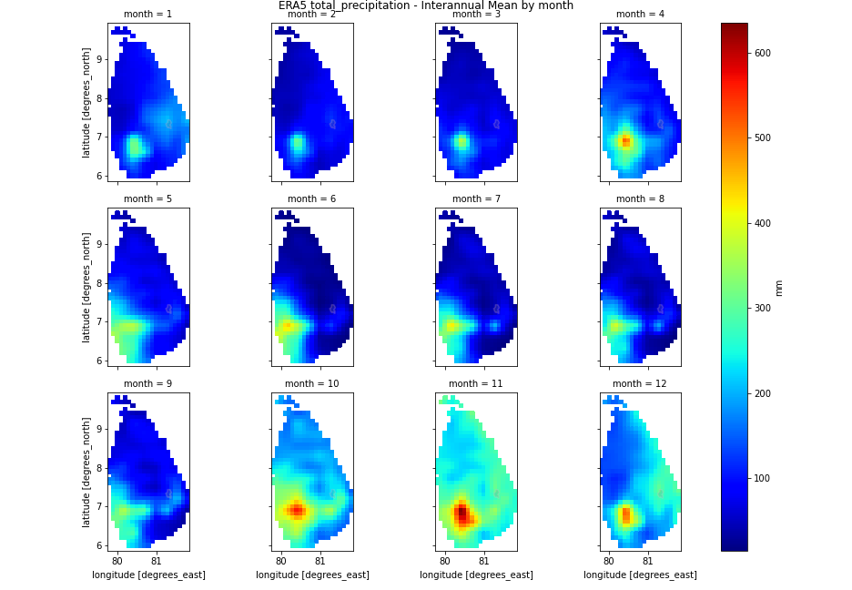
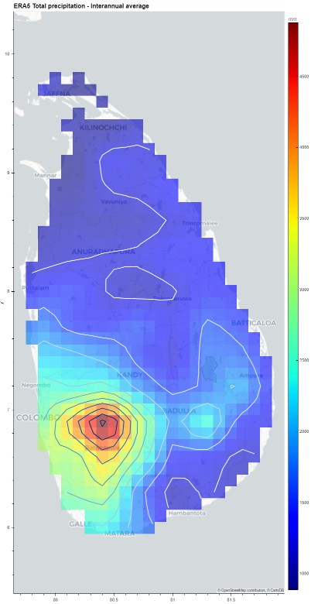
1981 | 1361.7
1982 | 1140
1983 | 1325.8
1984 | 1933.4
1985 | 1274.2
1986 | 1351.9
1987 | 1349.5
1988 | 1336.8
1989 | 1064.5
1990 | 1235.5
1991 | 1104.2
1992 | 1146.5
1993 | 1326.2
1994 | 1722.7
1995 | 1286.4
1996 | 1169.8
1997 | 1080.7
1998 | 1067.8
1999 | 1630
2000 | 1837
2001 | 1313.6
2002 | 1310.8
2003 | 1378.6
2004 | 1705.9
2005 | 1401.1
2006 | 1575.1
2007 | 1518.2
2008 | 1795.8
2009 | 1352.4
2010 | 1774.8
2011 | 2890.9
2012 | 1608.9
2013 | 1559.3
2014 | 2011.8
2015 | 1879.6
2016 | 1013.5
2017 | 1466
2018 | 1590.5
2019 | 1578.2
2020
 | 1473.5794872
Lat.= | 7.8
Lon.= | 81.6
Param.= | tp
YEAR | 1 | 2 | 3 | 4 | 5 | 6 | 7 | 8 | 9 | 10 | 11 | 12 | Total
1981 | 75.3 | 93.9 | 53.3 | 101.2 | 93.8 | 9 | 161 | 18.8 | 177 | 190.2 | 201.5 | 186.7 | 1361.7
1982 | 63.2 | 12.8 | 54.9 | 17.3 | 84.7 | 12.7 | 33.4 | 27 | 99.2 | 130 | 295.1 | 309.7 | 1140
1983 | 120.5 | 1.7 | 1 | 10 | 36.9 | 53.9 | 80 | 76.9 | 272.4 | 72 | 222.2 | 378.3 | 1325.8
1984 | 358.1 | 349.6 | 67.9 | 152.7 | 32.6 | 10.2 | 136.4 | 18.6 | 70.3 | 68.2 | 470.4 | 198.4 | 1933.4
1985 | 135.5 | 111 | 66.3 | 34 | 40.4 | 25.6 | 64 | 75.3 | 127.8 | 80.7 | 239.9 | 273.7 | 1274.2
1986 | 406.2 | 77.4 | 138.3 | 40.7 | 56.6 | 10.3 | 31 | 17.9 | 44 | 195.7 | 114.8 | 219 | 1351.9
1987 | 264.8 | 33.4 | 36.7 | 73.3 | 57.3 | 24.9 | 6.2 | 60.1 | 126 | 298.3 | 161.1 | 207.4 | 1349.5
1988 | 82.1 | 34.9 | 56.5 | 194.7 | 33.1 | 34.1 | 91.9 | 175.1 | 142.9 | 67.8 | 210 | 213.7 | 1336.8
1989 | 122.5 | 15 | 39 | 37.3 | 34.2 | 31.6 | 86.7 | 45.2 | 139.3 | 150.9 | 225.1 | 137.7 | 1064.5
1990 | 157 | 63 | 38.8 | 27 | 67.7 | 9.9 | 39.6 | 89.4 | 138.8 | 145.7 | 150.6 | 308 | 1235.5
1991 | 164.4 | 45.5 | 66 | 15.8 | 61.8 | 80.9 | 7.5 | 50 | 48.8 | 153.6 | 164.6 | 245.3 | 1104.2
1992 | 87.3 | 3.1 | 0.2 | 28.2 | 71 | 11.5 | 50.9 | 23.5 | 147.9 | 64.4 | 443.7 | 214.8 | 1146.5
1993 | 64.2 | 28.5 | 24.9 | 24.2 | 67.4 | 17.7 | 17.8 | 38.7 | 98.9 | 155.5 | 441.8 | 346.6 | 1326.2
1994 | 146.4 | 193.8 | 43.7 | 65.6 | 80.6 | 10.5 | 24.6 | 30.1 | 195.6 | 384.6 | 355.9 | 191.3 | 1722.7
1995 | 189.2 | 69.6 | 16.8 | 92.9 | 206.5 | 18.6 | 39.9 | 54.9 | 44 | 147.9 | 195.7 | 210.4 | 1286.4
1996 | 126.2 | 95.2 | 9.9 | 123.3 | 17.1 | 145.4 | 23.9 | 70.3 | 138.3 | 110.7 | 175.2 | 134.3 | 1169.8
1997 | 52 | 15.6 | 20.3 | 50.2 | 69 | 36.9 | 74.1 | 25.8 | 105.3 | 178.9 | 205.1 | 247.5 | 1080.7
1998 | 119.8 | 28.8 | 8.3 | 17 | 107.8 | 17.4 | 81 | 39.5 | 68.5 | 116.6 | 141.1 | 322 | 1067.8
1999 | 254.6 | 190.6 | 22.4 | 147.3 | 88.7 | 10.1 | 31.1 | 30.3 | 116.3 | 297.4 | 253.8 | 187.4 | 1630
2000 | 290.7 | 139.7 | 80.5 | 45.6 | 69.7 | 35.5 | 17.2 | 102.4 | 148.9 | 156.7 | 289.5 | 460.6 | 1837
2001 | 233.2 | 81.1 | 10.1 | 88 | 32.9 | 77.5 | 39.3 | 7.5 | 67.9 | 144.1 | 252.7 | 279.3 | 1313.6
2002 | 132.9 | 94 | 32.5 | 46.8 | 120.1 | 52.7 | 12.1 | 21 | 23.6 | 206.3 | 247.5 | 321.3 | 1310.8
2003 | 190.2 | 99.8 | 71.8 | 68.9 | 32 | 44.9 | 69.8 | 70.3 | 53 | 158 | 439.1 | 80.8 | 1378.6
2004 | 105.9 | 63.6 | 60.6 | 44.9 | 100.8 | 4.2 | 66.7 | 32.5 | 194.1 | 355.4 | 304.5 | 372.7 | 1705.9
2005 | 116 | 10 | 41.2 | 104 | 68.5 | 15.3 | 49.6 | 45 | 32 | 231 | 573.1 | 115.4 | 1401.1
2006 | 278.7 | 83.5 | 80.9 | 65.4 | 39.6 | 28.1 | 7.1 | 105.8 | 183.8 | 252.8 | 281.5 | 167.9 | 1575.1
2007 | 192.6 | 142.3 | 13.4 | 165.9 | 59.1 | 100.1 | 42.2 | 69 | 74.1 | 232.2 | 157.1 | 270.2 | 1518.2
2008 | 188.6 | 136.8 | 298.8 | 110.6 | 35.8 | 64.2 | 58.8 | 130.9 | 61.6 | 193.1 | 250.8 | 265.8 | 1795.8
2009 | 170.7 | 12.4 | 78.7 | 116 | 35.6 | 17 | 15.4 | 104.2 | 40 | 63.5 | 310.7 | 388.2 | 1352.4
2010 | 107.4 | 36.3 | 29.5 | 46.4 | 110.5 | 78.9 | 52 | 121.8 | 116.2 | 86 | 343.1 | 646.7 | 1774.8
2011 | 747.8 | 558.5 | 104.2 | 139.9 | 24 | 6.3 | 30.2 | 143.8 | 70 | 364.1 | 290 | 412.1 | 2890.9
2012 | 58.8 | 88.7 | 16.1 | 74.4 | 11.2 | 9.6 | 56.2 | 63.4 | 111.9 | 392.4 | 318.4 | 407.8 | 1608.9
2013 | 439.5 | 130.9 | 129.2 | 38.9 | 99.3 | 21.2 | 27.4 | 24.2 | 54.7 | 78 | 132.8 | 383.2 | 1559.3
2014 | 193 | 36.3 | 46.5 | 30.8 | 120.3 | 8.6 | 4.5 | 116.3 | 66.2 | 186 | 373 | 830.3 | 2011.8
2015 | 54.8 | 144.3 | 80.7 | 75.1 | 135.3 | 75.3 | 19.6 | 32.2 | 195.5 | 404.5 | 348 | 314.3 | 1879.6
2016 | 73.9 | 66 | 47.8 | 11.1 | 210.4 | 8.3 | 62 | 59.4 | 15.5 | 139.8 | 218 | 101.3 | 1013.5
2017 | 233.8 | 71 | 80.2 | 12.1 | 32.5 | 36.9 | 57.1 | 71.6 | 137.7 | 209.1 | 328 | 196 | 1466
2018 | 63.9 | 96.6 | 103.8 | 66.4 | 208 | 40.7 | 27 | 43.3 | 67.8 | 255.9 | 485.2 | 131.9 | 1590.5
2019 | 65 | 110.8 | 21.2 | 20.3 | 27.5 | 37.3 | 55.1 | 98.8 | 275.6 | 322.4 | 257.7 | 286.5 | 1578.2
2020 | 78.5 | 62.4 | 11 | 34.7 | 108.6 | 73.2 | 83.9 | 20.2 | 148.8 |  |  |  |  | http://www.meteo.gov.lk/index.php?option=com_content&view=article&id=94&Itemid=310&lang=en&lang=en
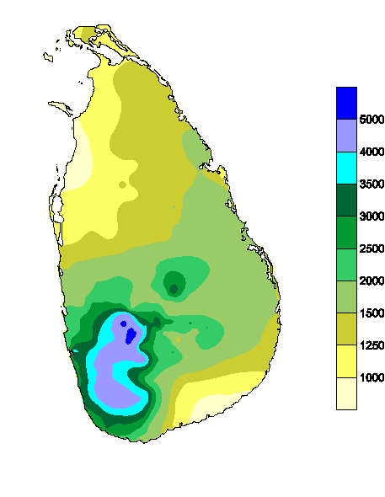
 | 170.9 | 91.0 | 53.8 | 64.9 | 73.0 | 34.5 | 47.3 | 60.0 | 108.5 | 186.3 | 272.0 | 274.4 | 1473.6

